Sheet1
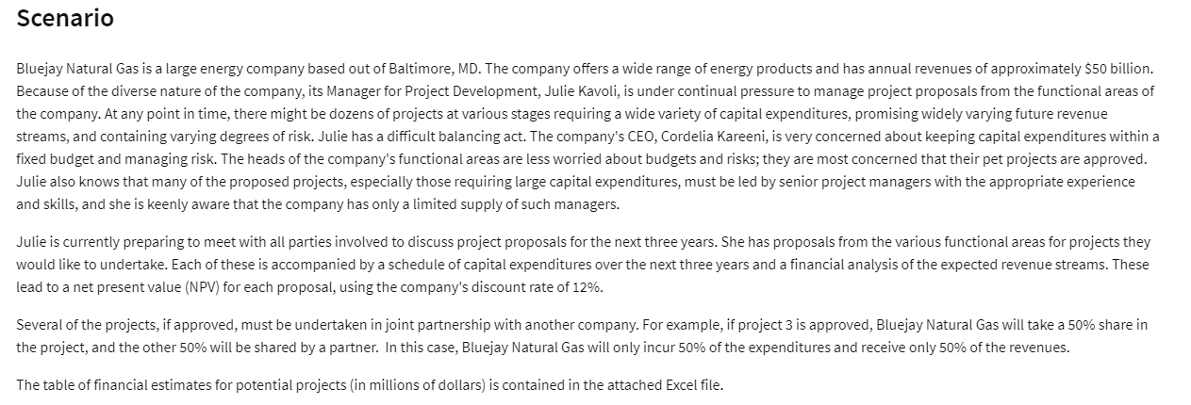
Financial Estimates for Potential Projects (in $millions)
Project Index | Functional Area (FA) | Partnership Percentage | Capex Year 1 | Capex Year 2 | Capex Year 3 | NPV
1 | FA1 | 100% | 250 | 100 | 100 | 60
2 | FA1 | 33% | 500 | 300 | 300 | 180
3 | FA1 | 50% | 100 | 200 | 400 | 80
4 | FA1 | 100% | 750 | 500 | 300 | 310
5 | FA1 | 75% | 200 | 400 | 800 | 220
6 | FA2 | 50% | 1000 | 300 | 300 | 180
7 | FA2 | 100% | 750 | 750 | 300 | 410
8 | FA2 | 100% | 800 | 700 | 600 | 280
9 | FA2 | 67% | 400 | 600 | 800 | 380
10 | FA3 | 100% | 100 | 200 | 400 | 100
11 | FA3 | 50% | 700 | 500 | 300 | 260
12 | FA3 | 100% | 1500 | 400 | 400 | 340

Annual Revenue: | 50 | Billion
Duration | 3 | Year
Discount Rate | 12%

